Task_SQL
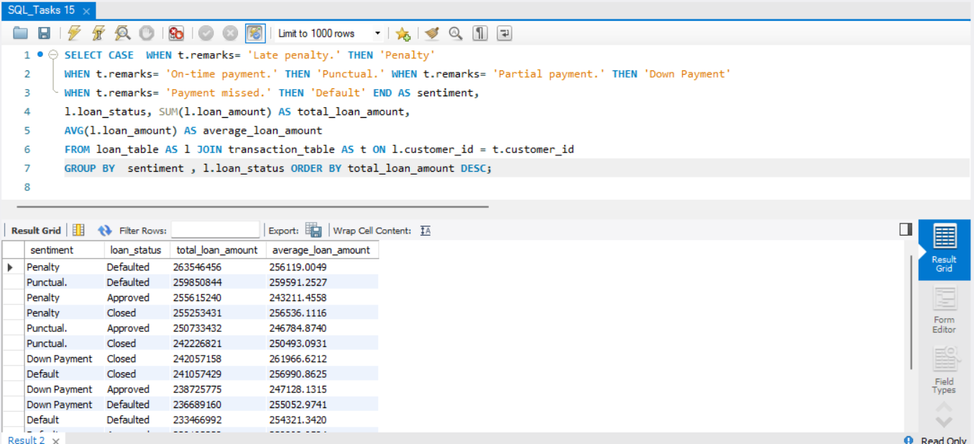
Task 1 : Customer Risk Analysis: Identify customers with low credit scores and high-risk loans to predict potential defaults and prioritize risk mitigation strategies

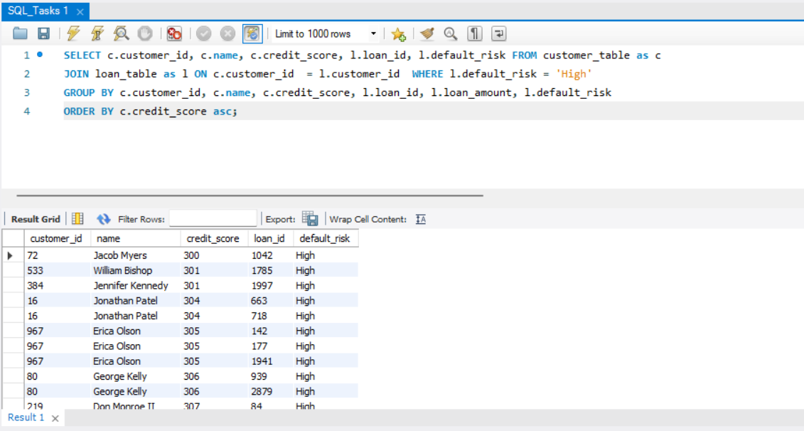

Task 2 :Loan Purpose Insights: Determine the most popular loan purposes and their associated revenues to align financial products with customer demands.

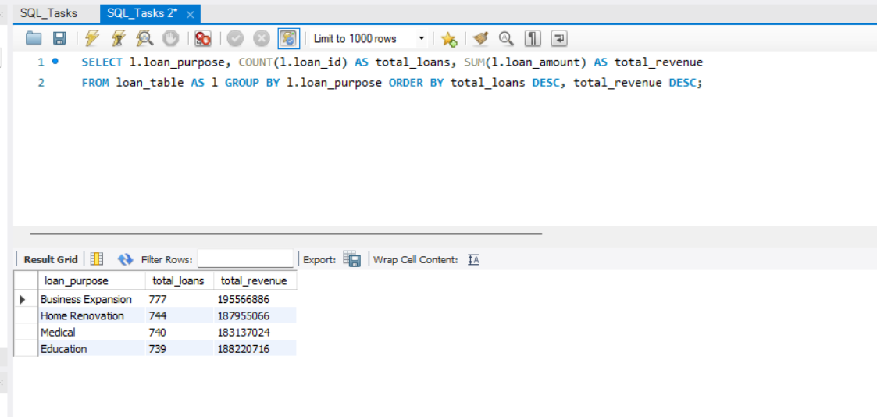

Task 3 :High-Value Transactions: Detect transactions that exceed 30% of their respective loan amounts to flag potential fraudulent activities.

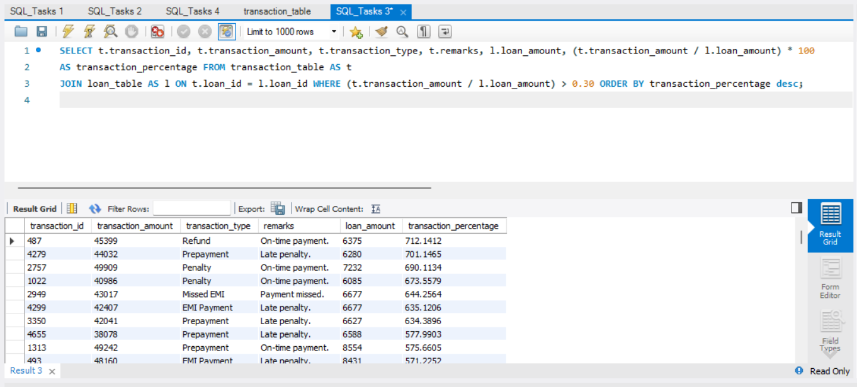

Task 4. : Missed EMI Count: Analyze the number of missed EMIs per loan to identify loans at risk of default and suggest intervention strategies.

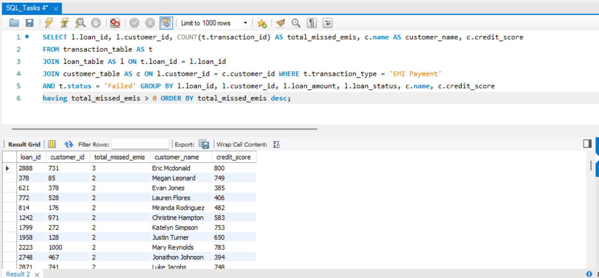

Task 5 :Regional Loan Distribution: Examine the geographical distribution of loan disbursements to assess regional trends and business opportunities.

Task 6 : Loyal Customers: List customers who have been associated with Cross River Bank for over five years and evaluate their loan activity to design loyalty programs.

Task 7 : High-Performing Loans:Identify loans with excellent repayment histories to refine lending policies and highlight successful products

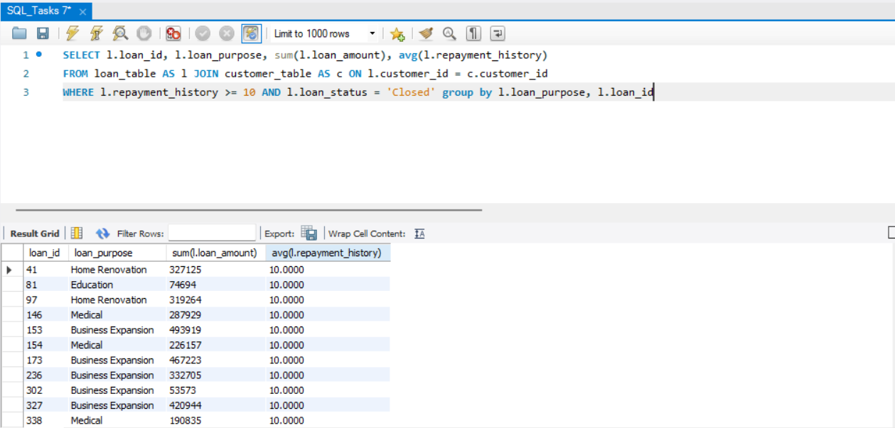

Task 8 : Age-Based Loan Analysis: Analyze loan amounts disbursed to customers of different age groups to design targeted financial products
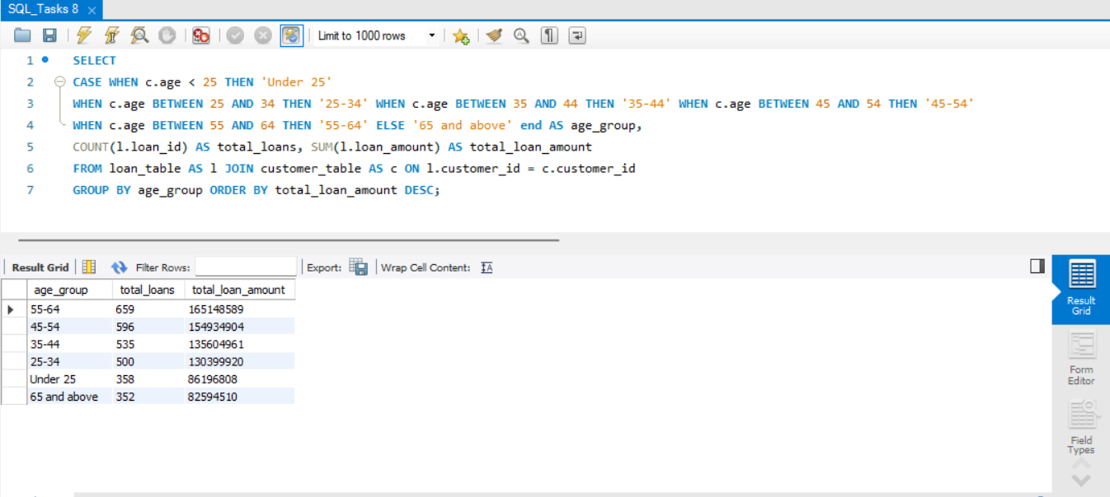

Task 9 : Seasonal Transaction Trends: Examine transaction patterns over years and months to identify seasonal trends in loan repayments

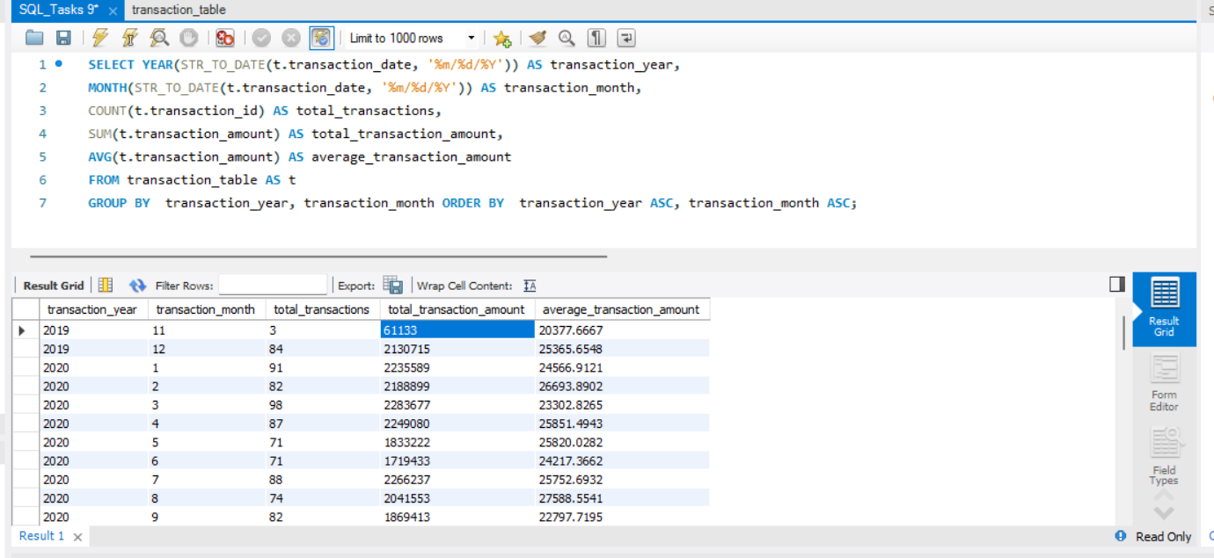

Task 10 : Fraud Detection: Highlight potential fraud by identifying mismatches between customer address locations and transaction IP locations

Task 11: Repayment History Analysis: Rank loans by repayment performance using window functions.

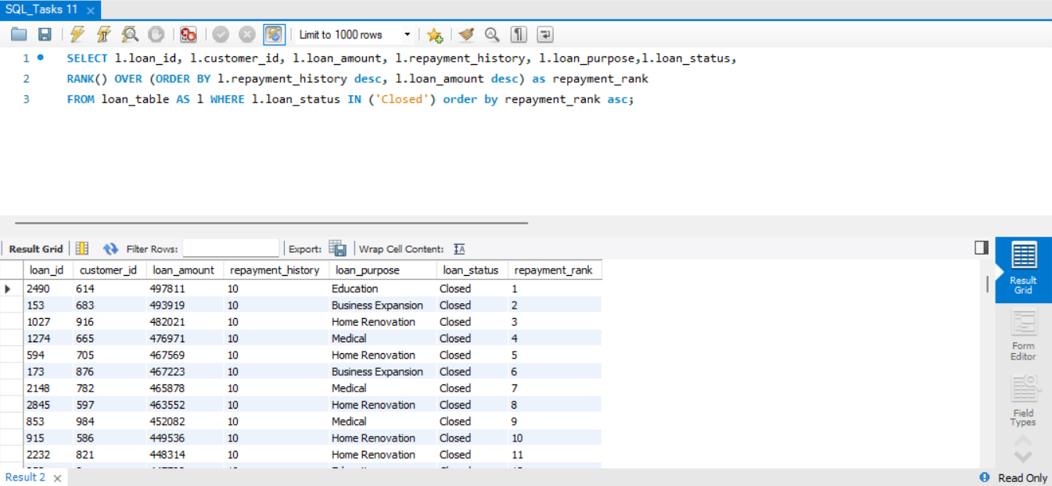

Task : 12: Credit Score vs. Loan Amount: Compare average loan amounts for different credit score ranges.

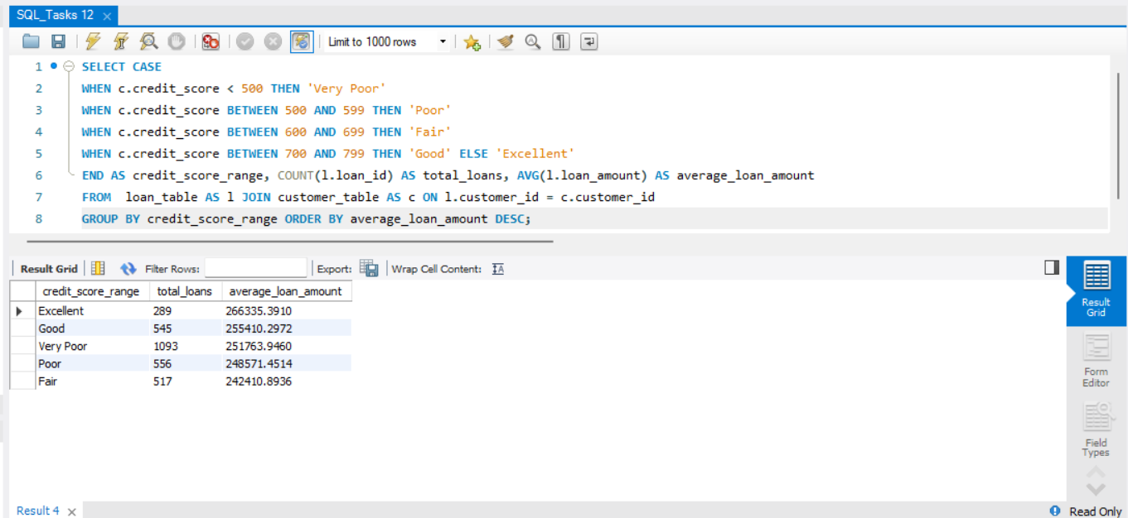

Task : 13 : Top Borrowing Regions: Identify regions with the highest total loan disbursements.

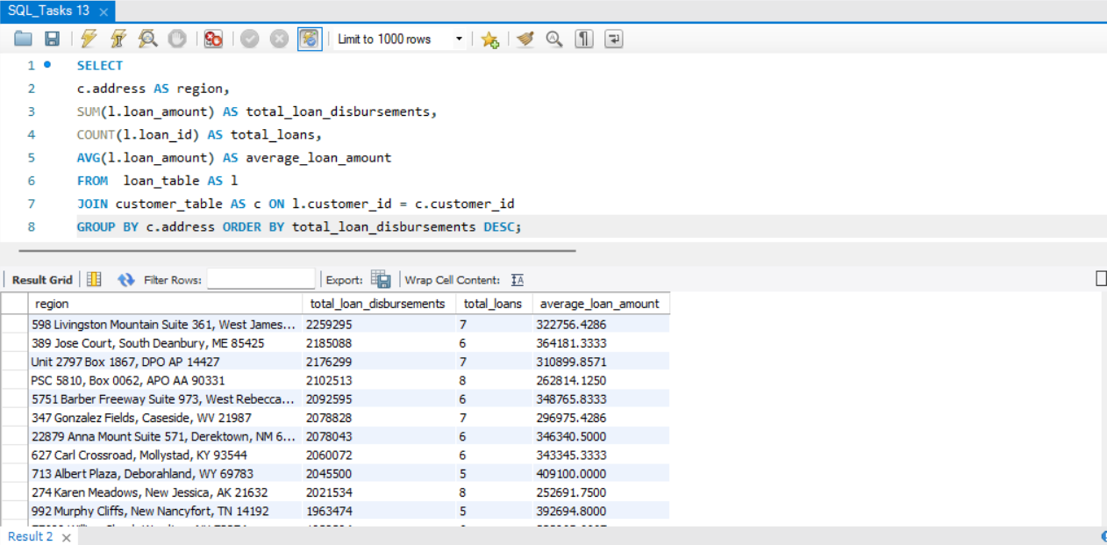

Task 14: Early Repayment Patterns: Detect loans with frequent early repayments and their impact on revenue.

Task : 15: Feedback Correlation: Correlate customer feedback sentiment scores with loan statuses.

Task_MongoDB
Task 1: Insert New Feedback Input: Adding feedback for a customer and loan, capturing sentiments and details about the loan process.

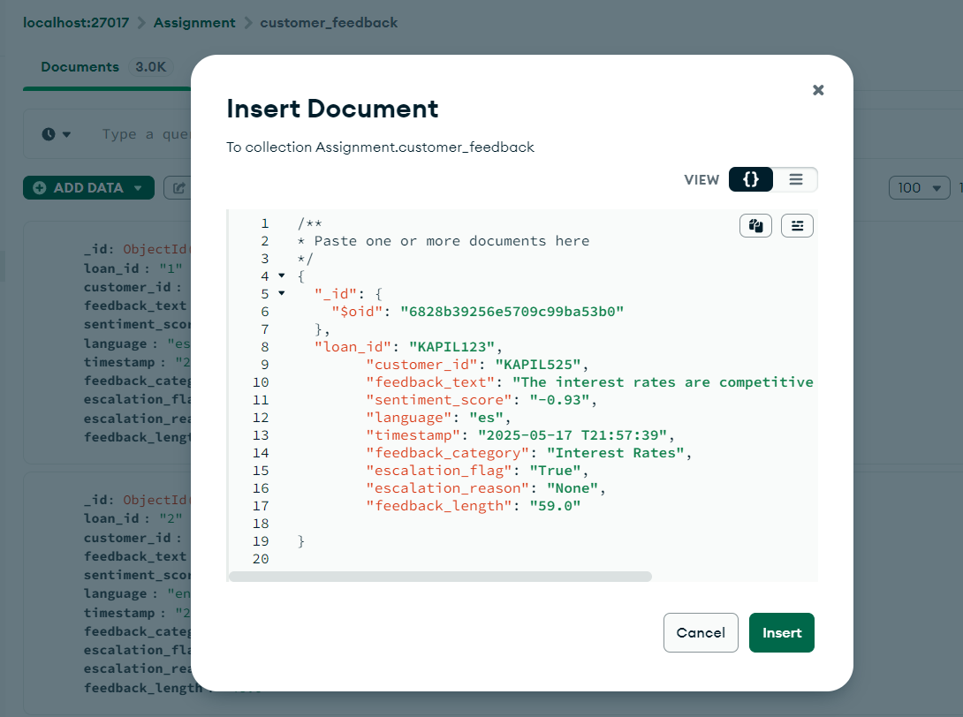
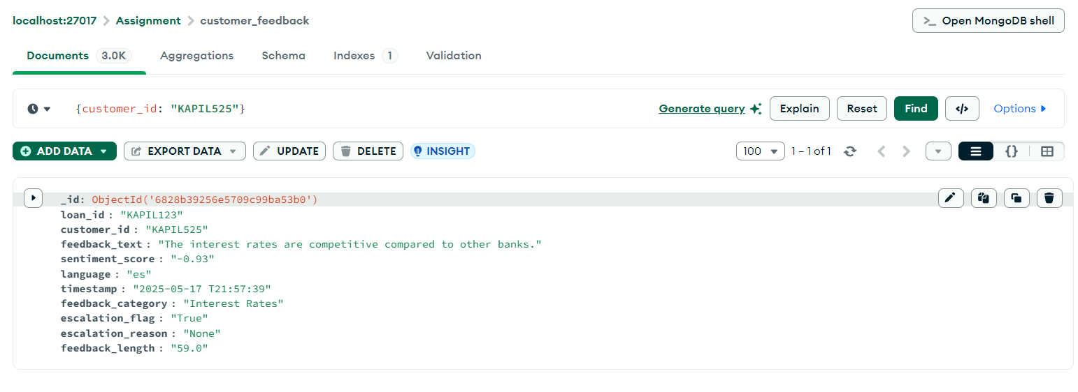

Task 2: Update escalation flags in feedback to include specific reasons for unresolved customer complaints.

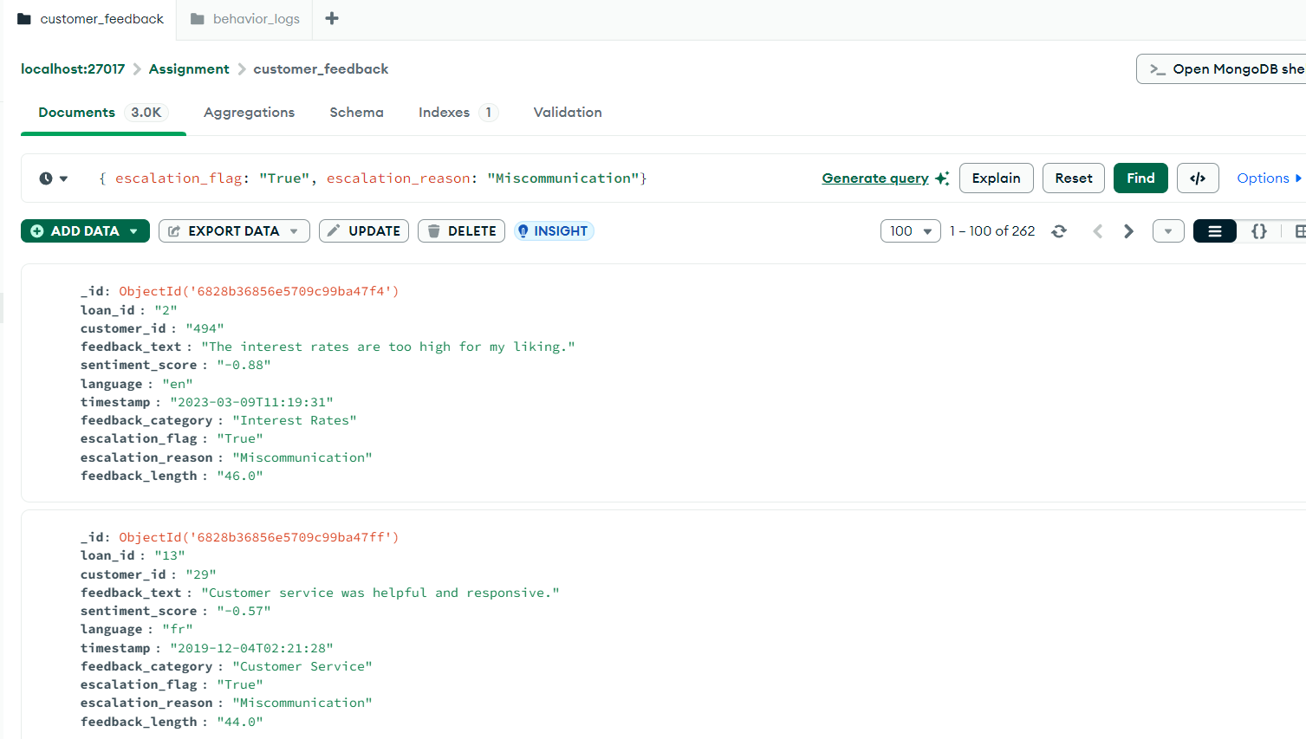

 | Need Session on MongoDB as I am unable to complete the assignment

